BUDGET Template
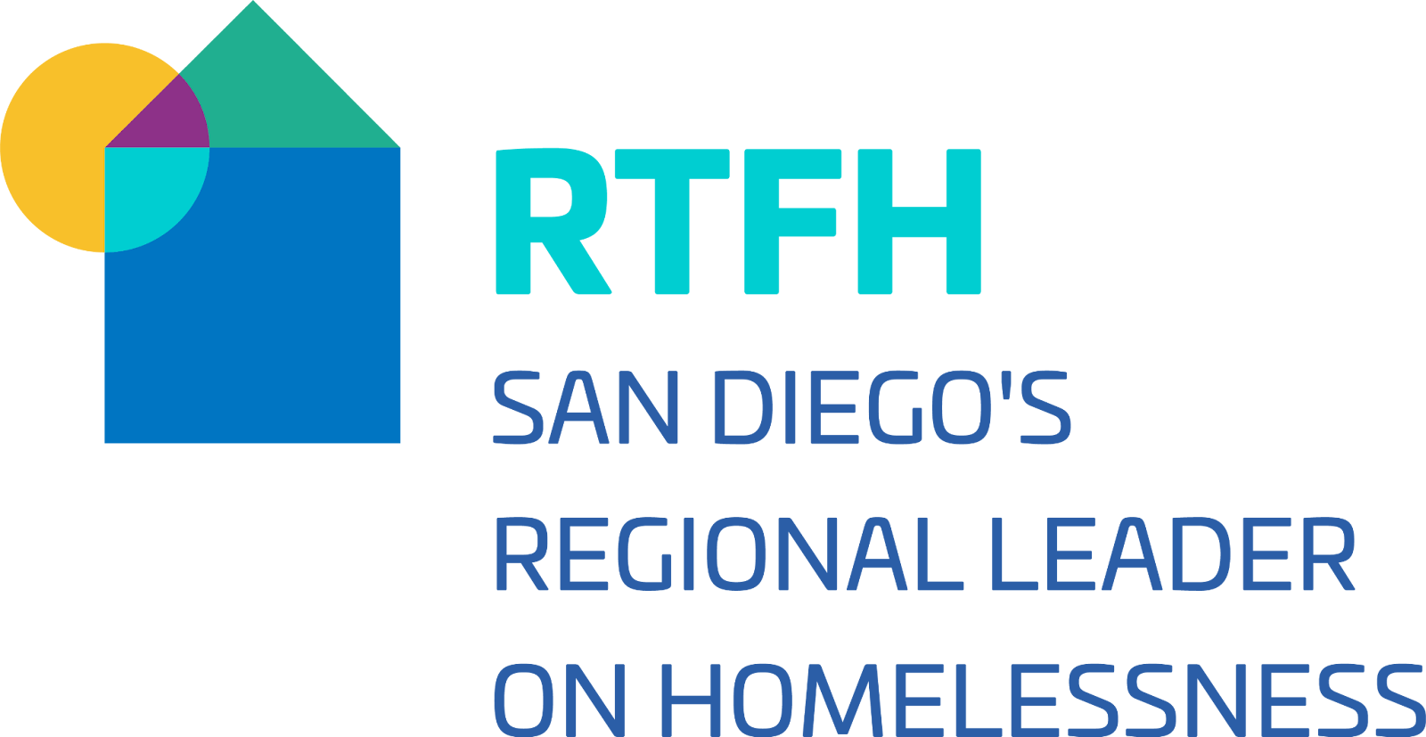
YHDP Budget Proposal

Project Name:
YHDP Project Type:
Total Award for 2 Years: | $-
INSTRUCTIONS: Enter information in blue fields ONLY. Other fields are part of the template or include formulas. The budget must provide a complete picture of how YHDP Program funds will be used in the project to assist eligible youth and young adults. It should only reflect the funds being requested under this RFP. The Quantity AND Description of each budget activity must be completed and should provide a full picture of how the funding will be spent. Enter the quantity (i.e., numbers) and descriptive information for each activity for which you are requesting funds (e.g., if requesting staffing, enter position title–1 FTE @ $45,000, including fringe benefits of $X or 50 hours @ $25 per hour including fringe benefits of $X). Housing projects should include the number and size of housing units. A Separate Budget worksheet is required for each project application submitted as part of the YHDP RFP. The budget tools, provided on tab 3 can be used to determine leasing, rental assistance, and operating budgets. To print or PDF this sheet, please print in Landscape mode in size 8.5x14.

Supportive Services
Eligible Costs: (§ 578.53) | Quantity & Description | Annual Amount | 2 Year Total Amount
1. Assessment of Service Needs
2. Assistance with Moving Costs |  | $-
3. Case Management |  | $-
4. Child Care |  | $-
5. Education Services |  | $-
6. Employment Assistance |  | $-
7. Food |  | $-
8. Housing/Counseling Services |  | $-
9. Legal Services |  | $-
10. Life Skills |  | $-
11. Mental Health Services |  | $-
12. Outpatient Health Services |  | $-
13. Outreach Services |  | $-
14. Substance Abuse Treatment Services |  | $-
15. Transportation |  | $-
16. Utility Deposits |  | $-
17. Operating Costs - Site based projects only
18. YHDP Flexibilities (amount carried over from tab 2) | see tab 2 | $-
Sub-Total for Supportive Services |  | $- | $-

Leased Units
Eligible Costs: (§ 578.49) | Quantity & Description | Annual Amount | 2 Year Total Amount
1. Rent (leasing funds) |  | $-
2. Security Deposits, First/Last Month's Rent
Sub-Total for Leasing |  | $- | $-

Operating
Eligible Costs: (§ 578.55(b)) | Quantity & Description | Annual Amount | 2 Year Total Amount
1. Maintenance/Repair
2. Property Taxes and Insurance
3. Replacement Reserve
4. Building Security
5. Electricity, Gas and Water
6. Furniture
7. Equipment (lease, buy)
Sub-Total for Operating |  | $- | $-

Rental Assistance
Eligible Costs: (§ 578.51) | Quantity & Description | Annual Amount | 2 Year Total Amount
1. Rental Assistance
2. Security Deposits
Sub-Total for Rental Assistance |  | $- | $-

HMIS
Eligible Costs: (§ 578.57(a)) | Quantity & Description | Annual Amount | 2 Year Total Amount
1. Equipment
2. Software
3. Services
4. Personnel
4(a). HUD approved HMIS conference
5. Space & Operations
Sub-Total for HMIS |  |  | $-

Subtotal of Program Costs |  | $- | $-

Admin (Max 5% of Program Cost)
Eligible Costs: (§ 578.59(a)) |  |  | 2 Year Total Amount
 | Annual Amount |  | $-
 |  | #DIV/0!

Summary Budget
 |  | Annual Amount | 2 Year Total Amount
1. Supportive Services |  | $-
2. Leasing |  | $-
3. Operating |  | $-
4. Rental Assistance |  | $-
5. HMIS |  | $-
6. Admin |  | $-
Total Amount Requested from HUD |  | $- | $-

